Wheels
 |  |  | S = Standard Equipment A = Available -- (dashes) = Not Available D = ADI Available ■ = Included in Equipment Group □ = Included in Equipment Group but upgradeable * = Indicates availability of feature on multiple models.
Orderable RPO Code | Ref. Only RPO Code | Wheels | Description | LT 1MC26 FWD 2LT | LT 1MC26 AWD 4LT | RS 1MD26 FWD 1RS | RS 1MD26 AWD 3RS | SS 1MG26 AWD 2SS
 | RT9 | 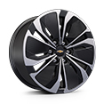 | Wheels, 19" (48.3 cm) machined-face aluminum with painted pockets | S | S | -- | -- | --
 | RHR | 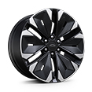 | Wheels, 21" (53.3 cm) machined-face aluminum with Black painted pockets | -- | -- | S | S | --
 | PHY | 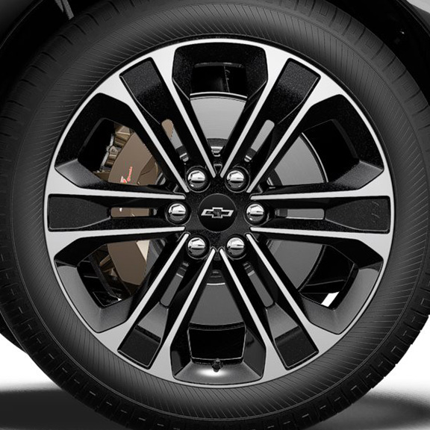 | Wheels, 22" (55.9 cm) machined-face aluminum with carbon flash painted pockets | -- | -- | -- | -- | S
RHE |  | 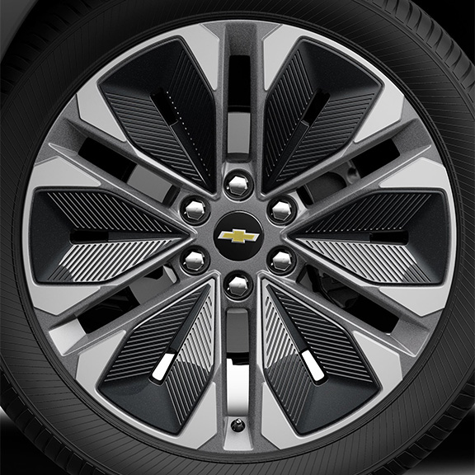 | Wheels, 21" (53.3 cm) machined-face aluminum with Grey painted pockets 1. Not available with (WJU) Midnight/Sport Edition. | A1 | A1 | -- | -- | --
 | Q6M | 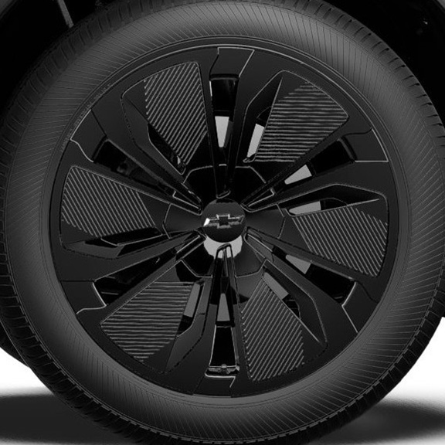 | Wheels, 19" (48.3 cm) Black aluminum 1. Included and only available with (WJU) Midnight/Sport Edition. | A1 | A1 | -- | -- | --
SMB |  | 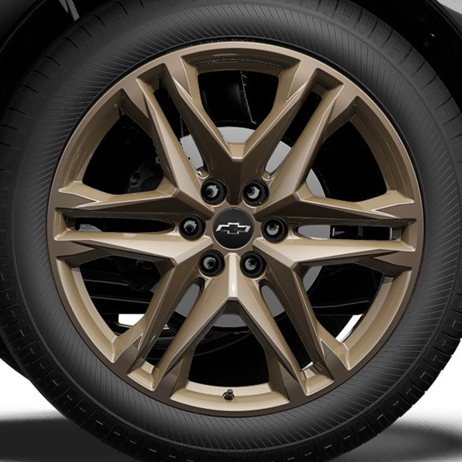 | LPO, 22" (55.9 cm) Bronze tech wheels, includes (SKT) Black wheel centre caps with Black bowtie LPO, (SPY) Black lug nuts LPO, (SPZ) Black wheel locks LPO, (QHN) 275/40R22 all-season self-sealing blackwall tires, LPO, (SD5) tire pressure monitor LPO and (PJ6) transit wheels 1. Not available with (WJU) Midnight/Sport Edition. Included with (PCJ) Tech Bronze Package, LPO. 2. Included with (PCJ) Tech Bronze Package, LPO. 3. Not available with (F41) Performance Package. Included with (PCJ) Tech Bronze Package, LPO. | A1 | A1 | A2 | A2 | A3
SF2 |  | 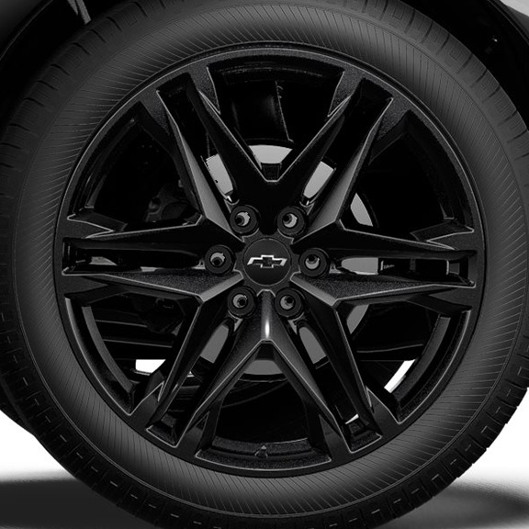 | LPO, 22" (55.9 cm) Gloss Black wheels, includes (SKT) Black wheel centre caps with Black bowtie LPO, (SPY) Black lug nuts LPO, (SPZ) Black wheel locks LPO, (QHN) 275/40R22 all-season self-sealing blackwall tires, LPO, (SD5) tire pressure monitor LPO and (PJ6) transit wheels 1. Not available with (WJU) Midnight/Sport Edition. Included with (PCH) Blackout Package, LPO. 2. Included with (PCH) Blackout Package, LPO. 3. Not available with (F41) Performance Package. Included with (PCH) Blackout Package, LPO. | A1 | A1 | A2 | A2 | A3

